Title
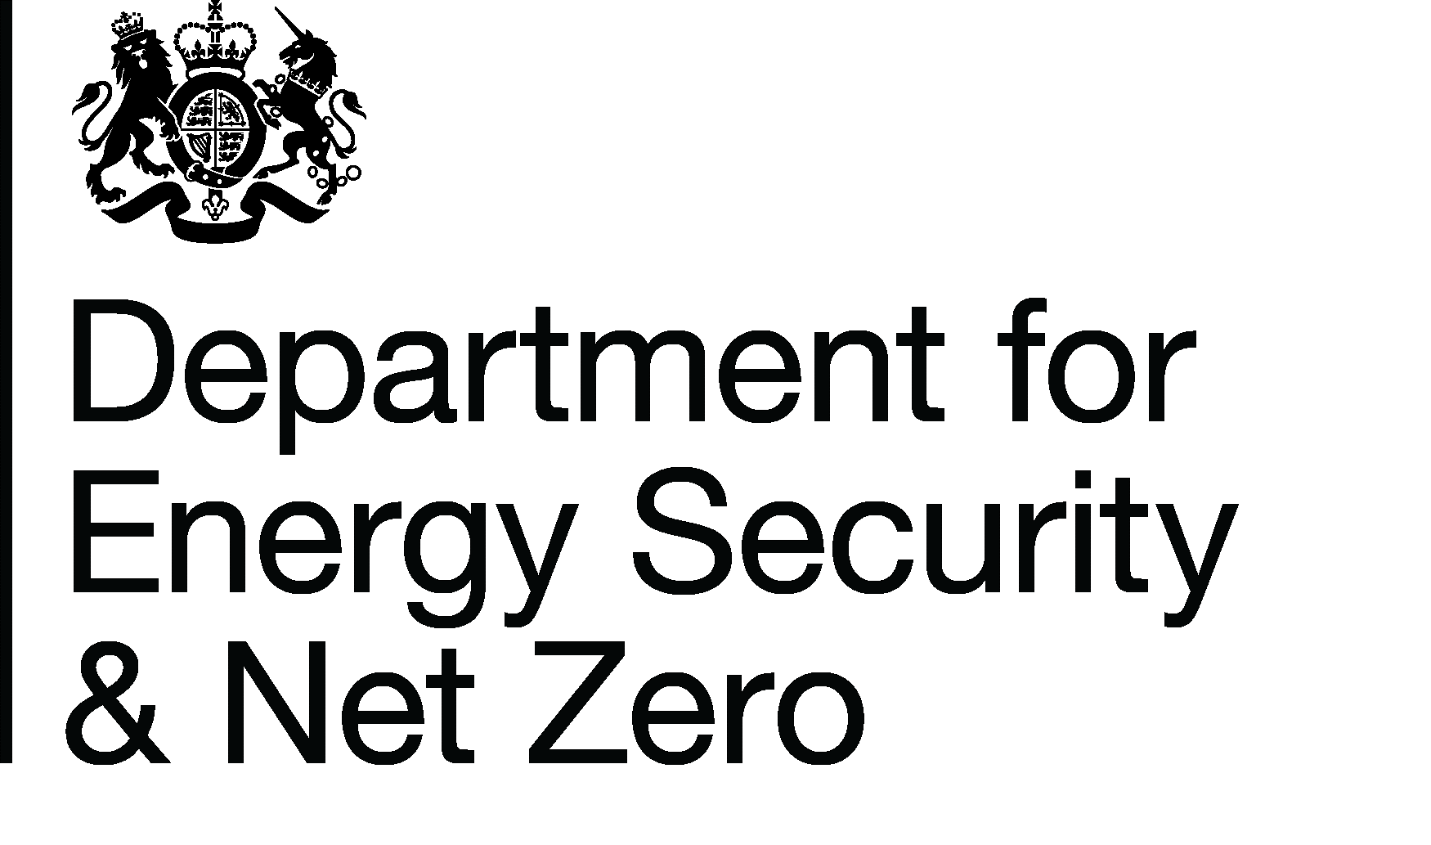
Household Energy Efficiency Statistics
This spreadsheet contains a selection of data tables to provide an overview of the progression of the Energy Company Obligation (ECO) and Green Deal schemes.
ECO is a government energy efficiency scheme in Great Britain to help reduce carbon emissions and tackle fuel poverty. The scheme began in January 2013, and over time it has been amended.
ECO3 commenced on 3 December 2018 and concluded on 31 March 2022. ECO4 is the new four-year scheme to replace ECO3 intended to cover the period from 1 April 2022 to 31 March 2026. The ECO4 Order came into force on 27 July 2022.
Installations between 1 April and 30 June 2022 could be counted as either 'ECO3 Interim Delivery' or 'ECO4 Early Delivery'. More information on this interim delivery phase is available from Ofgem in their document 'Draft ECO4 Guidance: Interim Delivery', available here: https://www.ofgem.gov.uk/publications/draft-eco4-guidance-interim-delivery | 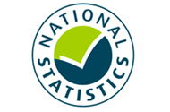
The Ofgem ECO4 register is still undergoing development, limiting the variety of data currently available. This currently limits the scope of up-to-date data we are able to publish in these tables for ECO4. As the Ofgem register develops further for ECO4, we will subsequently develop our tables.
Publication dates
The data tables in this spreadsheet were published at 09:30am Thursday 20 July 2023.
The next publication will be at 09:30am on Thursday 24 August 2023.
Data Coverage
Data covered in this release is for delivery to the end of May 2023 and associated costs for delivery to the end of March 2023.
Data covered in this release is for Great Britain.
Methodology
Information on the methods used in the analysis for this release are available in the Further Info sheet, and two separately published documents (Methodology Note and Background Quality Report) both available here:
https://www.gov.uk/government/publications/household-energy-efficiency-statistics-methodology-note
Notes on any significant revisions and/or changes to the analysis method are also available in the Further Info sheet.
Units, notes and no data
Some cells in the tables refer to notes which can be found beneath the tables on each worksheet. Note markers are presented in square brackets, for example: [n1]. Some cells have no data, when this is the case cell is left blank. An explanation of why there is no data is given at the top of the worksheet. Some column headings give units, when this is the case the units are presented in round brackets to differentiate them from note markers.
Contact Details
Press Enquiries to the Press Officer: 020 7215 5975; or the newsdesk: 020 7215 1000
Responsible Statistician: Isi Avbulimen
EnergyEfficiency.Stats@energysecurity.gov.uk
07927 579551
This workbook was updated on: | 20-Jul-23
The next update for these statistics is: | 24-Aug-23

Charts
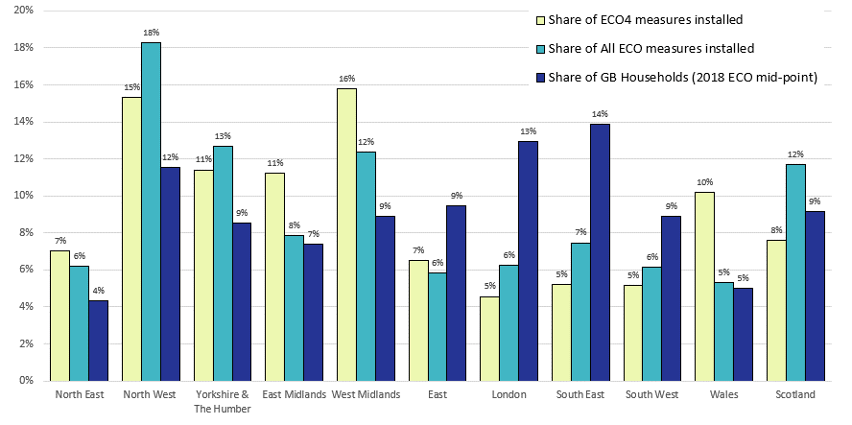
Charts visualising key statistics
This worksheet contains eleven charts and three infographics. These charts and infographics visualise some of the key statistics within the release.
This worksheet contains blank rows and columns to aid the presentation of the charts.
Chart 1: ECO measures installed, by obligation, by month, up to end May 2023
Data from T2.3, T2.4, T2.5 and T2.5b
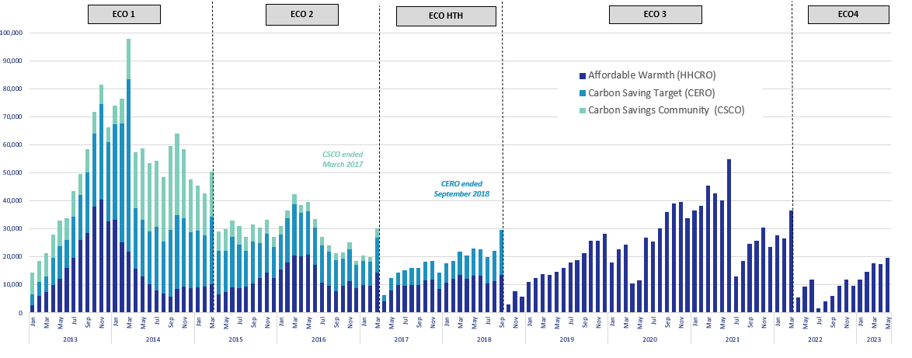

Chart 2a: Share of all ECO measures installed, by measure type, by ECO phase, up to end May 2023 | Chart 2b: Share of all Affordable Warmth measures, by measure type, by ECO phase, up to end May 2023
Data from T2.6, T2.7, T2.8 and T2.8b | Data from T2.6, T2.7, T2.8 and T2.8b
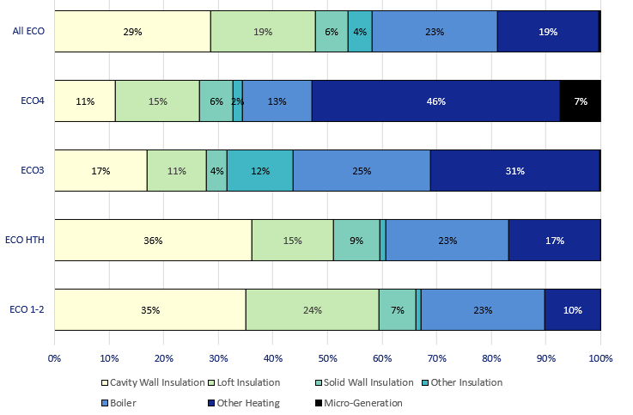
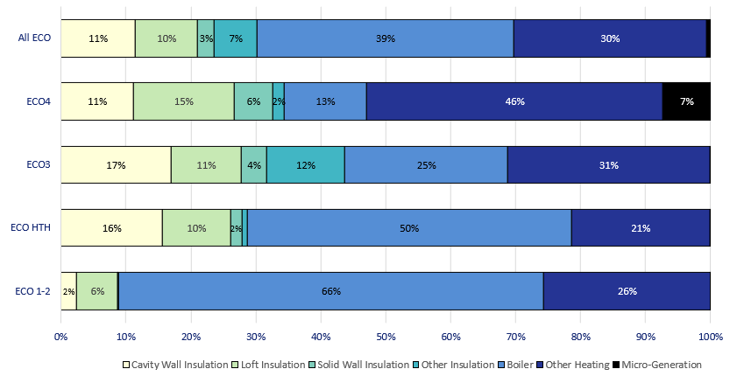

Chart 3: Share of quarterly ECO measures, by measure type, up to end March 2023 | Chart 4: ECO measures by main fuel type of property (where known), by quarter, up to end March 2023
Data from T3.1 | Data from T3.2
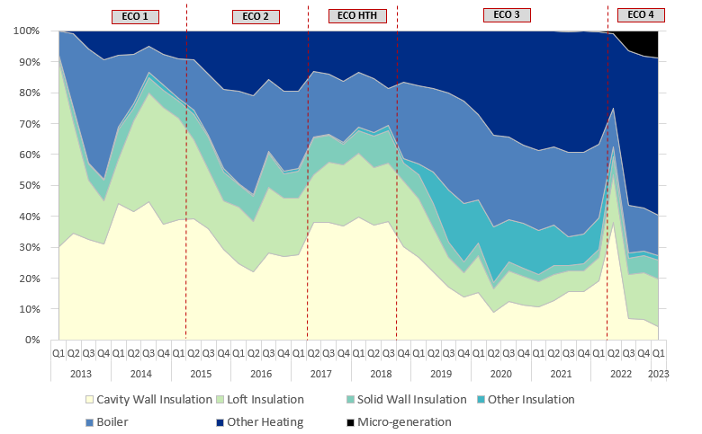
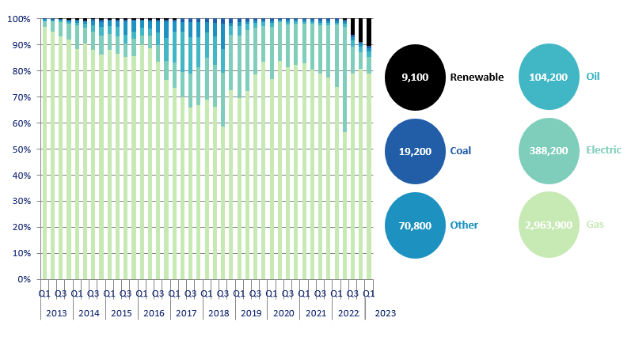

Chart 5: Estimated lifetime bill savings for Affordable Warmth measures, by installation quarter, up to end March 2022 | Chart 6: Number of ECO3 Flexible Eligibility Measures by installation month and share of ECO3 obligation delivered through flex, up to end March 2022
Data from T2.1 | Data from T2.2, T2.4, T2.5
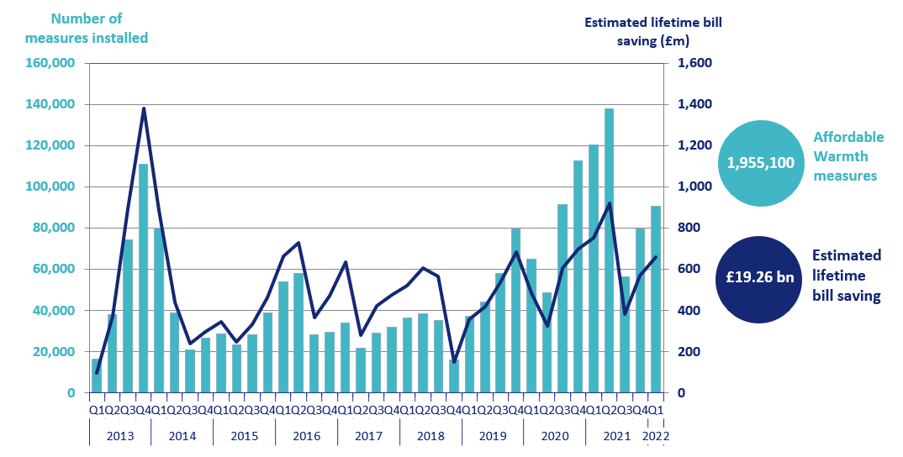
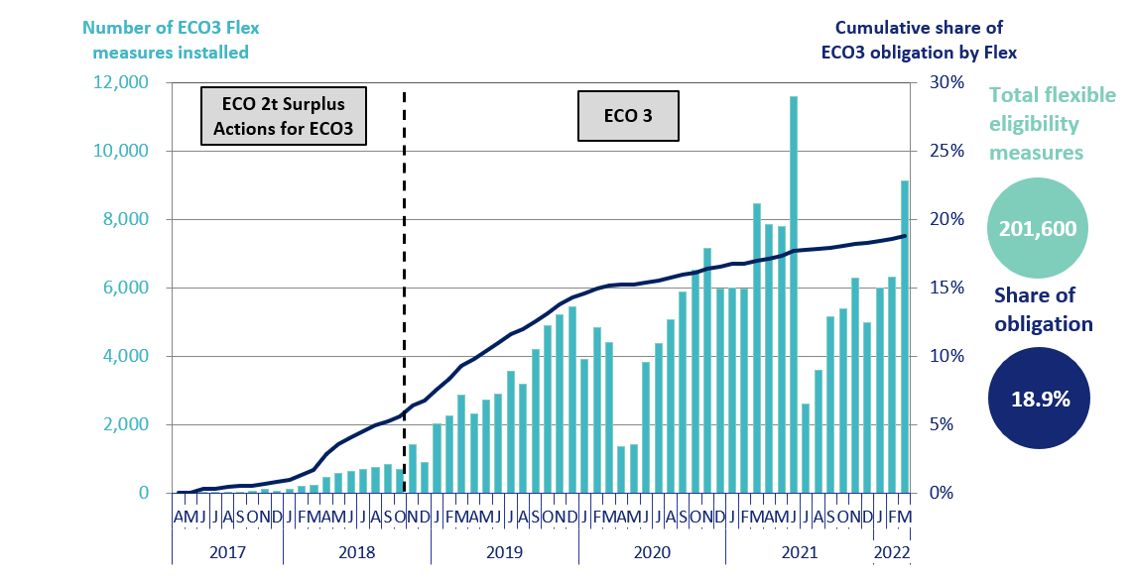

Chart 7: ECO costs, by obligation, by quarter, up to end March 2023 | Chart 8: Green Deal Plans, by ‘Live’ or ‘Completed’ status, by quarter, up to end March 2023
Data from T6.1 | Data from T7.1
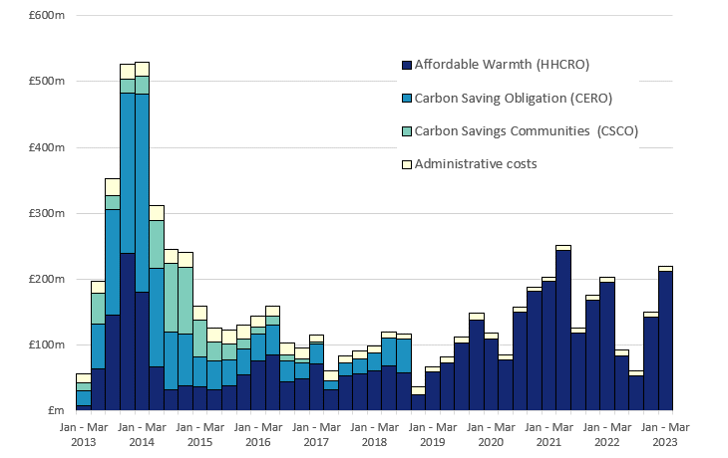
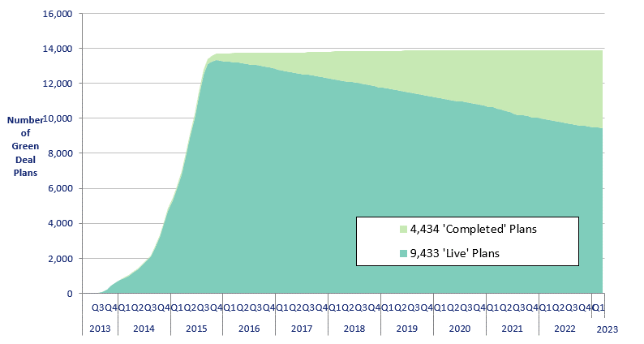

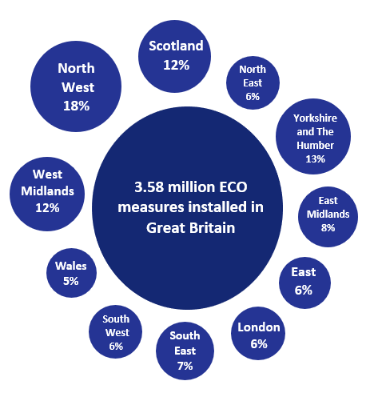
Infographic 1: ECO measures by measure type, up to end May 2023 | Infographic 2: ECO measures by region, up to end March 2023
Data from T2.6, T2.7, T2.8 and T2.8b | Data from T3.3
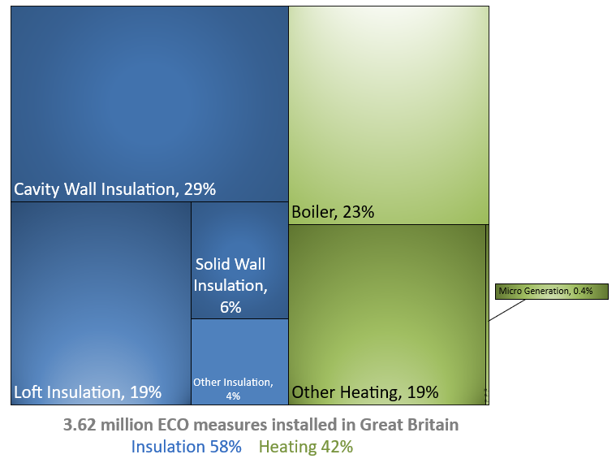

Chart 9: ECO measures installed by day from 1st June 2022 to 31st May 2023
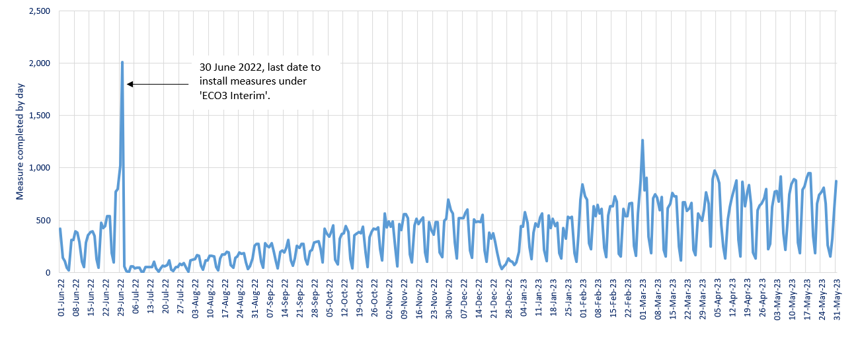

Chart 10: Regional share of ECO measures and of GB Households, up to end March 2023
Data from T3.3

Map1
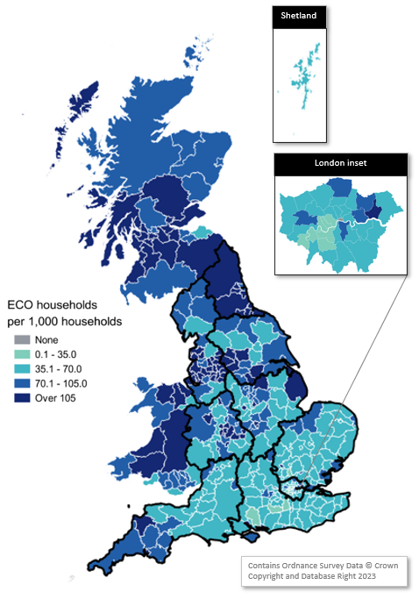
Map 1 – Households in receipt of ECO measures by Local Authority per 1,000 households, with Regions shown (January 2013 to March 2023)
This worksheet contains one map. This map visualises the rate of households receiving an ECO measure per 1,000 households in a local authority area.
This worksheet contains blank rows and columns to aid the presentation of the charts.

Map2
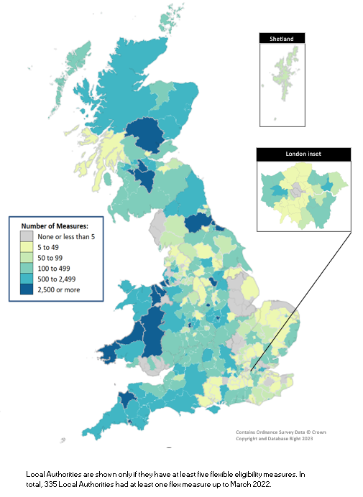
Map 2 - ECO measures installed through Flexible Eligibility, by Local Authority (April 2017 to March 2022)
This worksheet contains one map. This map visualises the rate of households receiving an ECO measure through the Flexible Eligibility obligation per 1,000 households in a local authority area.
This worksheet contains blank rows and columns to aid the presentation of the charts.

